category
country | (All)

 | canceled | failed | live | successful
film & video | 40 | 180 |  | 300
food | 20 | 140 | 6 | 34
games |  | 140 |  | 80
journalism | 24
music | 20 | 120 | 20 | 540
photography |  | 117 |  | 103
publishing | 30 | 127 |  | 80
technology | 178 | 213 |  | 209
theater | 37 | 493 | 24 | 839
Count of state | Column Labels
Row Labels | canceled | failed | live | successful | Grand Total
film & video | 40 | 180 |  | 300 | 520
food | 20 | 140 | 6 | 34 | 200
games |  | 140 |  | 80 | 220
journalism | 24 |  |  |  | 24
music | 20 | 120 | 20 | 540 | 700
photography |  | 117 |  | 103 | 220
publishing | 30 | 127 |  | 80 | 237
technology | 178 | 213 |  | 209 | 600
theater | 37 | 493 | 24 | 839 | 1393
Grand Total | 349 | 1530 | 50 | 2185 | 4114

SubCategory
country | (All)
Category | (All)

 | canceled | failed | live | successful
animation |  | 100
art books | 20
audio | 24
children's books |  | 40
classical music |  |  |  | 40
documentary |  |  |  | 180
drama |  | 80
electronic music |  |  |  | 40
faith |  | 40 | 20
fiction |  | 40
food trucks | 20 | 120
gadgets |  | 20
hardware |  |  |  | 140
indie rock |  | 20 |  | 140
jazz |  | 60
makerspaces |  | 11 |  | 9
metal |  |  |  | 20
mobile games |  | 40
musical | 20 | 60 |  | 60
nature |  | 20
nonfiction |  |  |  | 60
people |  | 20
photobooks |  | 57 |  | 103
places |  | 20
plays |  | 353 | 19 | 694
pop |  |  |  | 40
radio & podcasts |  |  |  | 20
restaurants |  | 20
rock |  |  |  | 260
science fiction | 40
shorts |  |  |  | 60
small batch |  |  | 6 | 34
space exploration | 18 | 2 |  | 40
spaces | 17 | 80 | 5 | 85
tabletop games |  |  |  | 80
television |  |  |  | 60
translations | 10 | 47
video games |  | 100
wearables | 60 | 120 |  | 20
web | 100 | 60
world music | 20
Count of state | Column Labels
Row Labels | canceled | failed | live | successful | Grand Total
animation |  | 100 |  |  | 100
art books | 20 |  |  |  | 20
audio | 24 |  |  |  | 24
children's books |  | 40 |  |  | 40
classical music |  |  |  | 40 | 40
documentary |  |  |  | 180 | 180
drama |  | 80 |  |  | 80
electronic music |  |  |  | 40 | 40
faith |  | 40 | 20 |  | 60
fiction |  | 40 |  |  | 40
food trucks | 20 | 120 |  |  | 140
gadgets |  | 20 |  |  | 20
hardware |  |  |  | 140 | 140
indie rock |  | 20 |  | 140 | 160
jazz |  | 60 |  |  | 60
makerspaces |  | 11 |  | 9 | 20
metal |  |  |  | 20 | 20
mobile games |  | 40 |  |  | 40
musical | 20 | 60 |  | 60 | 140
nature |  | 20 |  |  | 20
nonfiction |  |  |  | 60 | 60
people |  | 20 |  |  | 20
photobooks |  | 57 |  | 103 | 160
places |  | 20 |  |  | 20
plays |  | 353 | 19 | 694 | 1066
pop |  |  |  | 40 | 40
radio & podcasts |  |  |  | 20 | 20
restaurants |  | 20 |  |  | 20
rock |  |  |  | 260 | 260
science fiction | 40 |  |  |  | 40
shorts |  |  |  | 60 | 60
small batch |  |  | 6 | 34 | 40
space exploration | 18 | 2 |  | 40 | 60
spaces | 17 | 80 | 5 | 85 | 187
tabletop games |  |  |  | 80 | 80
television |  |  |  | 60 | 60
translations | 10 | 47 |  |  | 57
video games |  | 100 |  |  | 100
wearables | 60 | 120 |  | 20 | 200
web | 100 | 60 |  |  | 160
world music | 20 |  |  |  | 20
Grand Total | 349 | 1530 | 50 | 2185 | 4114

Date Conversion
Category | (All)
Years | (All)

Count of state | Column Labels
Row Labels | canceled | failed | successful | Grand Total
Jan | 34 | 149 | 182 | 365
Feb | 27 | 106 | 202 | 335
Mar | 28 | 108 | 180 | 316
Apr | 27 | 102 | 192 | 321
May | 26 | 126 | 234 | 386
Jun | 27 | 147 | 211 | 385
Jul | 43 | 150 | 194 | 387
Aug | 33 | 134 | 166 | 333
Sep | 24 | 127 | 147 | 298
Oct | 20 | 149 | 183 | 352
Nov | 37 | 114 | 183 | 334
Dec | 23 | 118 | 111 | 252
Grand Total | 349 | 1530 | 2185 | 4064

Bonus
Outcomes based on the Goal
 |  |  |  | Goal | Number of Successful | Number of Fail | Number of Canceled | Total project | Percentage Successful | Percentage Failed | Percentage Canceled
0 | 999 |  |  | less than 1000 | 322 | 113 | 18 | 453 | 71% | 25% | 4%
1000 | 4999 | >=1000 | <=4999 | 1000 to 4999 | 932 | 420 | 60 | 1412 | 66% | 30% | 4%
5000 | 9999 | >=5000 | <=9999 | 5000 to 9999 | 381 | 283 | 52 | 716 | 53% | 40% | 7%
10000 | 14999 | >=10000 | <=14999 | 10000 to 14999 | 168 | 144 | 40 | 352 | 48% | 41% | 11%
15000 | 19999 | >=15000 | <=19999 | 15000 to 19999 | 94 | 90 | 17 | 201 | 47% | 45% | 8%
20000 | 24999 | >=20000 | <=24999 | 20000 to 24999 | 62 | 72 | 14 | 148 | 42% | 49% | 9%
25000 | 29999 | >=25000 | <=29999 | 25000 to 29999 | 55 | 64 | 18 | 137 | 40% | 47% | 13%
30000 | 34999 | >=30000 | <=34999 | 30000 to 34999 | 32 | 37 | 13 | 82 | 39% | 45% | 16%
35000 | 39999 | >=35000 | <=39999 | 35000 to 39999 | 26 | 22 | 7 | 55 | 47% | 40% | 13%
40000 | 44999 | >=40000 | <=44999 | 40000 to 44999 | 21 | 16 | 6 | 43 | 49% | 37% | 14%
45000 | 49999 | >=45000 | <=49999 | 45000 to 49999 | 6 | 11 | 4 | 21 | 29% | 52% | 19%
 |  |  |  | Greater than 50000 | 86 | 258 | 100 | 444 | 19% | 58% | 23%

Report
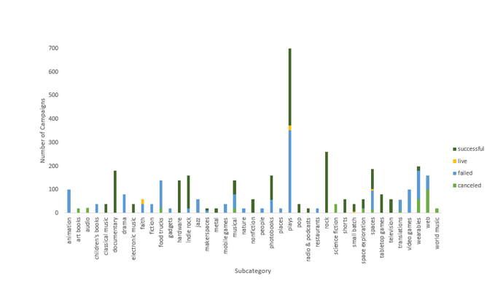
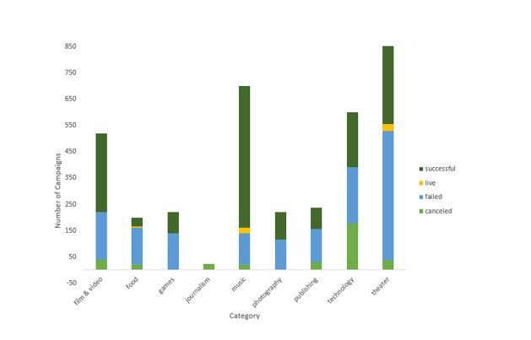

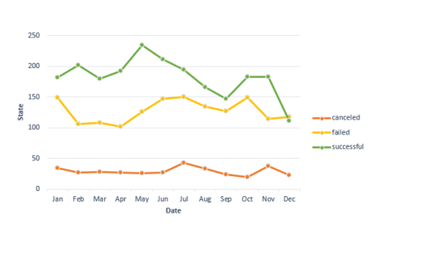

 | Figure 1: Relationship between number of campaign and category | Figure 2: Relationship between number of campaign and sub-category | Figure 3: Relationship between campaign state and starting date of campaigns

1. Given the provided data, what are three conclusions we can draw about Kickstarter campaigns?
Figure 1 displays, theater and music has best successful rate respectively and the sum of these two category, approximately makes the half of our data population.
Moving to Figure 2, subcategory plays has the largest population among the other subcategories. which in plays subcategories, music has the largest successful population. looking closely, "metal" is the least successful while "Rock" is the most successful subcategory in music family.
World music with the population of 20 is the least favorit subcategory in this family whiich results to canclation of this group of music campaign.
According to figure 3, the month of "May" is the hot season for the majority of successful projects eith a population of over 230 projects/month, while most of the failed projects are in the months of Jan, Jun and JULY.
In general, we can see that, the value of each projects in dollar does not isure their success.
2. What are some limitations of this dataset?
In this database the exact size of Kickstarter population is unknown and without knowing the exact population size
There are not any metrics that describe the success of each industry/category/sub-category as a whole during the covered time period
3. What are some other possible tables and/or graphs that we could create?
1. Graphs for all the metrics covered with and without “plays” (the most popular category)
2. Tables showing the most successful categories/subcategories versus the most unsuccessful categories/subcategories and detailed data into each category/subcategory’s level of success.
Some possible metrics include (1) success rate per category/subcategory, (2) median, max, and min funding goal/target per category/subcategory, (3) median, max, and min of average donation per category/subcategory,
(4) median, max, and min of percent funded per category/subcategory, (5) median, max, and min length of Kickstarter campaign timelines per category/subcategory etc.
3. Displays and tables that exclude significant funding goal outliers.

